PT. PRASIDA LANTUR MAJU (Wine)
DATE | INV NO. | DESCRIPTIONS | QTY | BILLS | PRICE | SUBTOTAL | TOTAL
15-Jan-2026 | PLM-INV0197/2026 | ISOLA BIANCO 750 ML | 2 | 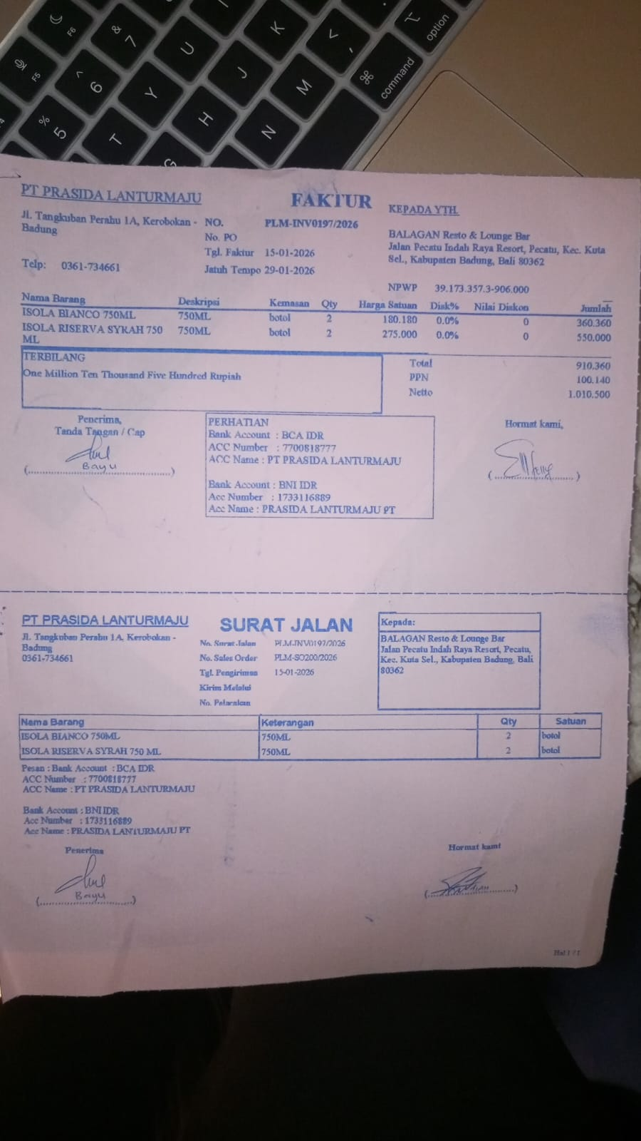 | IDR 180,180 | IDR 360,360 | IDR 910,360
 |  | ISOLA RISERVA SYRAH 750 | 2 |  | Rp275,000 | Rp550,000
SUBTOTAL |  |  | 2 |  | PPN |  | Rp100,140
TOTAL |  |  |  | Rp1,010,500

SUBTOTAL |  |  |  |  | PPN
TOTAL |  |  |  | Rp-
GRAND TOTAL |  |  |  | Rp1,010,500

